Processed feed
Processed feed stuff

Products “at plant”: the environmental impact of processed feed materials until processing gate. Environmental impact of processed products includes the impact of cultivation of raw materials, sourcing from different countries, energy and auxiliary material use at processing and waste.
Data from the Global Feed LCA database
 |  |  |  | Global warming - Including LUC & Peat (kg CO2 eq / ton product) | Global warming - Excluding LUC & peat(kg CO2 eq / ton product) | Global warming - LUC only (kg CO2 eq / ton product) | Global warming - Peat only (kg CO2 eq / ton product) |  | Source:
Soybean meal (solvent), at processing/AR Economic S |  | AFP 6.3 | 2022 | 4204 | 462 | 3740 | 1 |  | Global Feed LCA database, www.globalfeedlca.org
Soybean meal (solvent), at processing/BR Economic S |  | AFP 6.3 | 2022 | 4272 | 576 | 3697 | 0 |  | See file: GFLI+LCIA+31Oct2022.zip
Rapeseed meal (solvent), at processing/DE Economic S |  | AFP 6.3 | 2022 | 500 | 386 | 50 | 65

The Global FCA database does not provide disaggregated data or LCI data for free, so here we use the aggregated value and divide it upon different emissions sources based on the approximate shares for wheat (for rapeseed cake) and peas (for soybean meal)

 |  | Gas |  | Sum | Inputs |  | Soil emissions |  | Energy use
 | (Data on wheat and peas from Sweden, just used for proportion of processes) |  |  | Sum excl. LUC and transports | Production of mineral fertilizer | Production of capital goods | Direct emissions | Indirect emissions | Diesel use field mach | Energy use in greenhouses | Energy use for irrigation | Energy use for post-harvest proc |  | Share of gases:

0111 | Wheat, average | CO2 |  | 0.35 | 0.074 | 0.027 | 0.19 |  | 0.029 |  | 0 | 0.035 |  | 0.58
 |  | CO2 |  | Share: | 0.208 | 0.076 | 0.536 | 0.000 | 0.082 | 0.000 | 0.000 | 0.098
0111 | Wheat, average | CH4 |  | 2.13E-04 | 9.3E-05 | 1E-04 |  |  | 1.29E-05 |  | 0.00E+00 | 1.25E-05 |  | 0.01
 |  | CH4 |  | Share: | 0.435 | 0.446 | 0.000 | 0.000 | 0.061 | 0.000 | 0.000 | 0.059
0111 | Wheat, average | N2O |  | 9.17E-04 | 1.6E-04 | 1E-06 | 6.90E-04 | 6.90E-05 | 7.83E-07 |  | 0.00E+00 | 1.17E-06 |  | 0.41
 |  | N2O |  | Share: | 0.169 | 0.001 | 0.752 | 0.075 | 0.001 | 0.000 | 0.000 | 0.001
 |  | CO2e |  | 0.61
01705 | Peas, dry | CO2 |  | 0.44 | 0.000 | 0.027 | 0.32 |  | 0.057 |  | 0 | 0.035 |  | 0.88
 |  | CO2 |  | Share: | 0.000 | 0.062 | 0.729 | 0.000 | 0.130 | 0.000 | 0.000 | 0.079
01705 | Peas, dry | CH4 |  | 1.33E-04 | 0.0E+00 | 1E-04 |  |  | 2.53E-05 |  | 0.00E+00 | 1.25E-05 |  | 0.01
 |  | CH4 |  | Share: | 0.000 | 0.715 | 0.000 | 0.000 | 0.190 | 0.000 | 0.000 | 0.094
01705 | Peas, dry | N2O |  | 2.07E-04 | 0.0E+00 | 1E-06 | 1.85E-04 | 1.85E-05 | 1.53E-06 |  | 0.00E+00 | 1.17E-06 |  | 0.11
 |  | N2O |  | Share: | 0.000 | 0.005 | 0.892 | 0.089 | 0.007 | 0.000 | 0.000 | 0.006
 |  | CO2e |  | 0.50

Emission data for soybean meal and rapeseed cake (same across countries), kg per kg feed

 |  | Gas | Sum | Sum | Inputs |  | Soil emissions |  | Energy use
 |  |  | Sum incl. LUC and transports |  | Production of mineral fertilizer | Production of capital goods | Direct emissions | Indirect emissions | Diesel use field mach | Energy use in greenhouses | Energy use for irrigation | Energy use for post-harvest proc | LUC emissions | Transports of feed | Source LUC: | Source transports:
 | Rape seed cake | CO2 | 0.29 | 0.22 | 0.047 | 0.017 | 0.120 | 0.000 | 0.018 | 0.000 | 0.000 | 0.022 |  | 0.0632 |  | Flysjö et al. 2008, Figur 6.35
 |  | CH4 in CO2e |  | 0.0040 | 3.718E-07 | 3.808E-07 | 0.000E+00 | 0.000E+00 | 5.176E-08 | 0.000E+00 | 0.000E+00 | 5.029E-08
 |  | CH4 | 0.00 | 2.87E-08 | 1.2E-08 | 1.3E-08 | 0.0E+00 | 0.0E+00 | 1.7E-09 | 0.0E+00 | 0.0E+00 | 1.7E-09 |  | 8.8695652174E-05 |  | Flysjö et al. 2008, Figur 6.35, divided by GWP-factor used in report, Tabell 5.1
 |  | N2O in CO2e |  | 0.16 | 0.069 | 0.070 | 0.000 | 0.000 | 0.010 | 0.000 | 0.000 | 0.009
 |  | N2O | 0.00 | 5.8E-04 | 2.5E-04 | 2.6E-04 | 0.0E+00 | 0.0E+00 | 3.5E-05 | 0.0E+00 | 0.0E+00 | 3.4E-05 |  | 1.8277027027E-06 |  | Flysjö et al. 2008, Figur 6.35, divided by GWP-factor used in report, Tabell 5.1
 | Soy bean meal | CO2 | 1.11 | 0.46 | 0.000 | 0.028 | 0.333 | 0.000 | 0.059 | 0.000 | 0.000 | 0.036 | 0.40 | 0.251 | Pendrill et al. (2020) | Flysjö et al. 2008, Figur 6.35
 |  | CH4 in CO2e |  | 4.11E-03 | 0.00E+00 | 2.94E-03 | 0.00E+00 | 0.00E+00 | 7.82E-04 | 0.00E+00 | 0.00E+00 | 3.89E-04
 |  | CH4 | 0.02 | 1.38E-04 | 0.00E+00 | 9.87E-05 | 0.00E+00 | 0.00E+00 | 2.62E-05 | 0.00E+00 | 0.00E+00 | 1.30E-05 |  | 0.021 |  | Flysjö et al. 2008, Figur 6.35, divided by GWP-factor used in report, Tabell 5.1
 |  | N2O in CO2e |  | 5.9E-02 | 0.0E+00 | 3.1E-04 | 5.2E-02 | 5.2E-03 | 4.3E-04 | 0.0E+00 | 0.0E+00 | 3.3E-04
 |  | N2O | 0.00 | 2.15E-04 | 0.0E+00 | 1.1E-06 | 1.9E-04 | 1.9E-05 | 1.6E-06 | 0.0E+00 | 0.0E+00 | 1.2E-06 |  | 0.00090878378378 |  | Flysjö et al. 2008, Figur 6.35, divided by GWP-factor used in report, Tabell 5.1

Verification
Manure

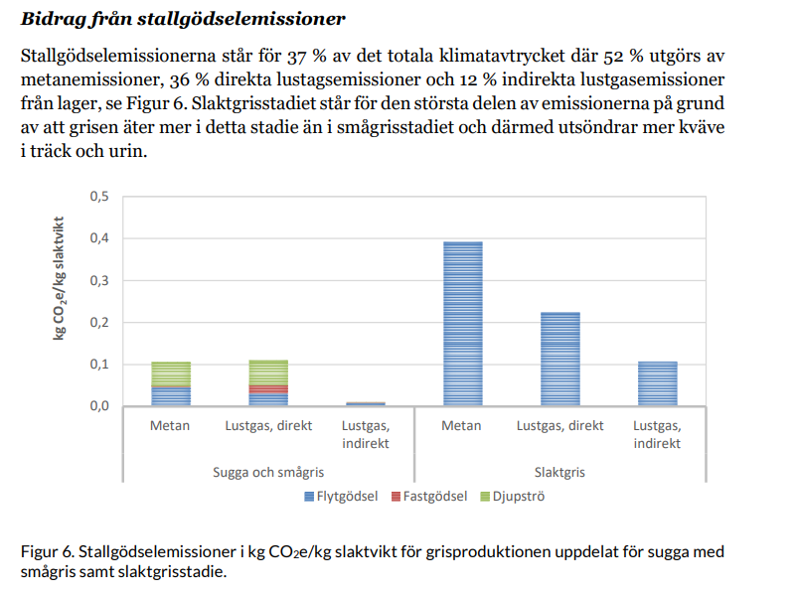
Landquist et al. 2020 has the following emissions from manure:
 | In bonefree weight: |  |  | This study:

 | CH4 | 0.72463768116 |  | 0.28 |  | Explained fully by use of different MCF factors, Landquist used default IPCC (10% for liquid and 39% for deep litter)
 | N2O direct | 0.46376811594 |  | 0.026
 | N2O indirect | 0.17391304348

 | Total: | 1.3623188406

 | Zira et al. 2023

 | Total: | 1.4492753623 |  | Borde vara samma låga metan som jag, alltså mkt mer kväverelaterade utsläpp

 | Landquist et al |  |  |  | This study

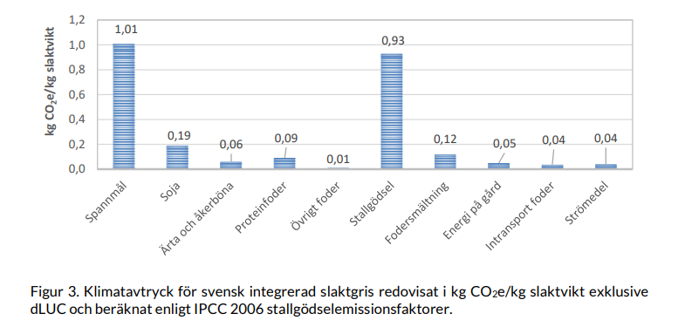
 | Total in bonefree |  | 3.6811594203 |  | 3.85 |  | Lower for manure, but higher for feed due to mostly SOC

